Calculator
OS CHAPTER 7 CALCULATOR
By Phan Anh Tú - 22028238 - UET - VNU
>>Read the instructions first<<

Access mode

 |  | Mode | Decimal | Mode |  | Type access mode here |  |  | r-x | r-x | ---
 |  | --- | 0 | --- |  | => Decimal number: |  |  | 5 | 5 | 0 | #N/A | #N/A | #N/A | #N/A | #N/A | #N/A
 |  | --x | 1 | --x
 |  | -x- | 2 | -x-
 |  | -wx | 3 | -wx |  | Type decimal number here: |  |  | 7 | 7 | 7
 |  | r-- | 4 | r-- |  | => Access mode: |  |  | rwx | rwx | rwx | --- | --- | --- | --- | --- | ---
 |  | r-x | 5 | r-x
 |  | rw- | 6 | rw-
 |  | rwx | 7 | rwx

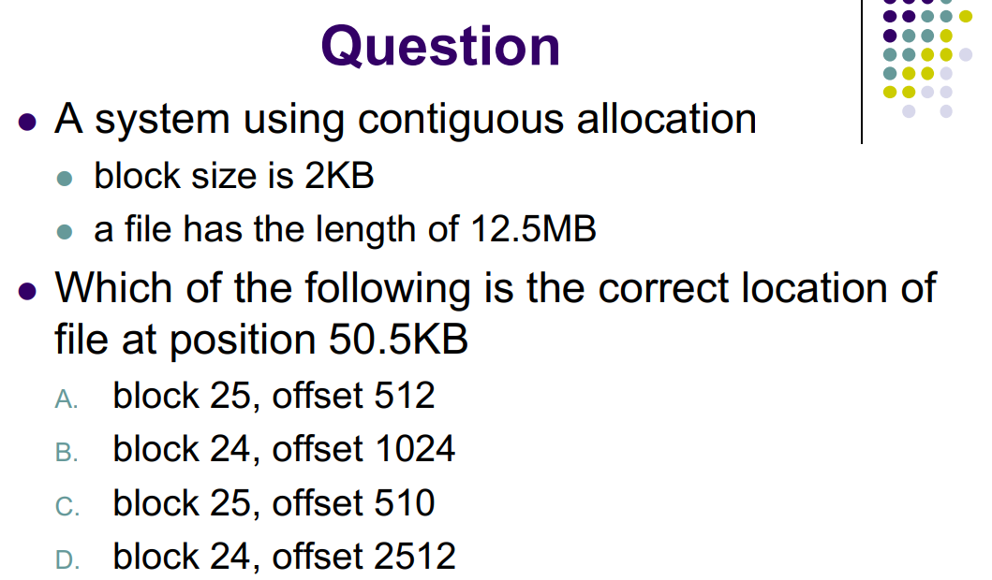
Contigious Allocation

 | Block size = |  | 2 | KB | 2048 | B
 | File size = |  | 5 | MB | 5242880 | B
 | Logical address = |  | 8739875 | B | 8739875 | B | INVALID

 | Block id = |  | 4267
 | Block offset = |  | 1059

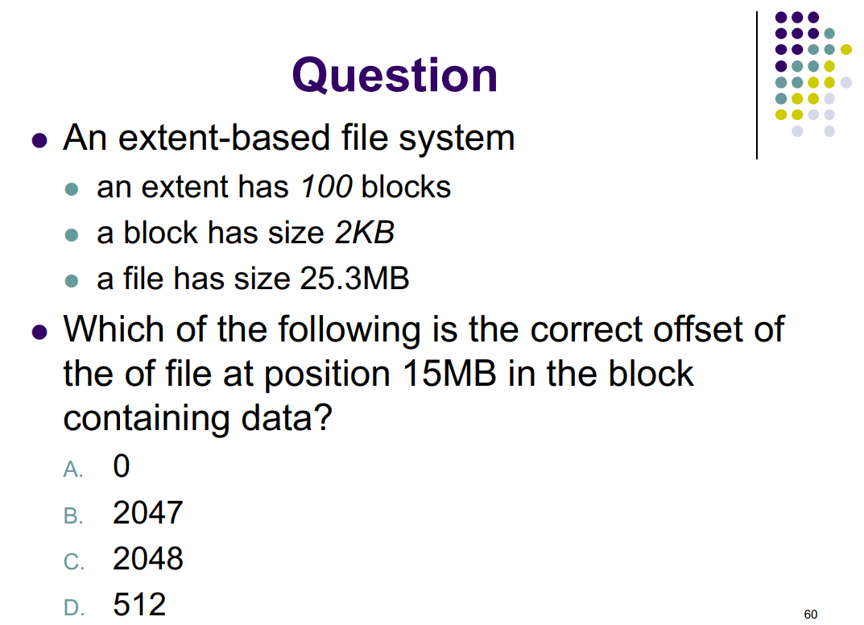
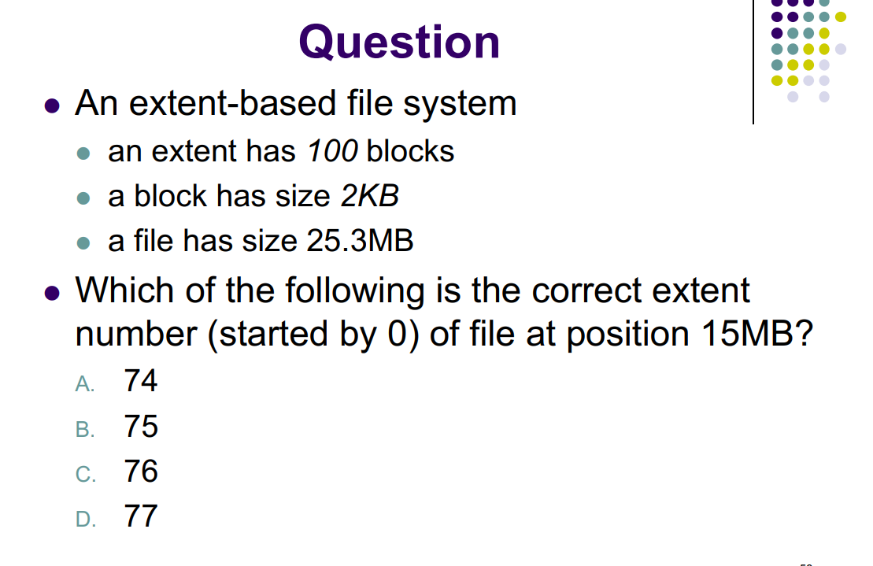
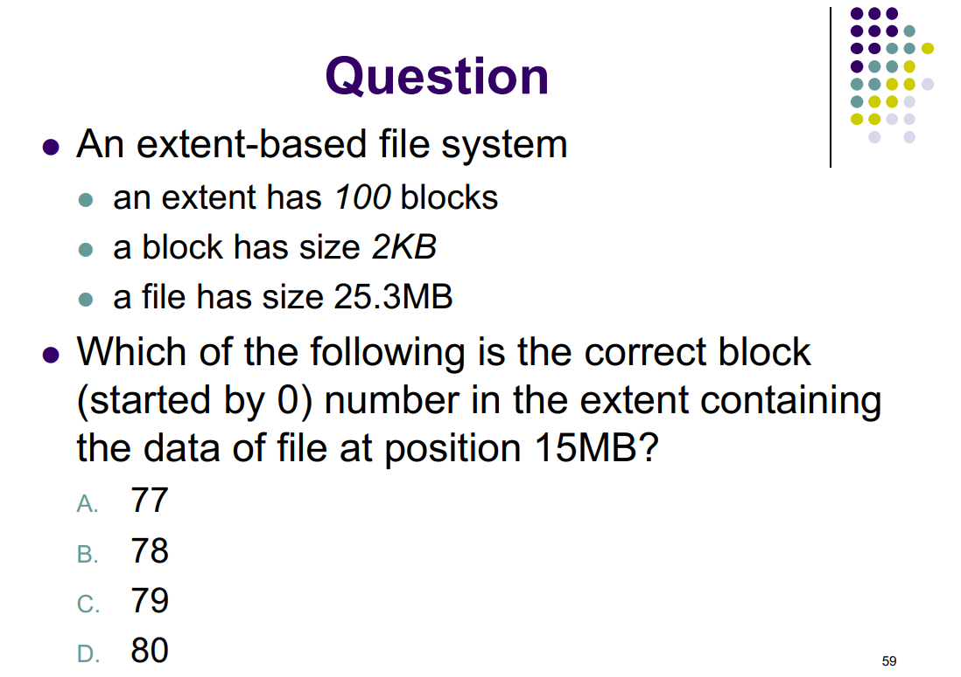
Extent-base allocation

 | No of block/extent = |  | 100 | block | 100
 | Block size = |  | 2 | KB | 2048 | B
 | File size = |  | 25.3 | MB | 26528972.8 | B
 | LA = |  | 15 | MB | 15728640 | B | VALID

 | Extent id = |  | 76
 | Block id = |  | 80
 | Block offset = |  | 0

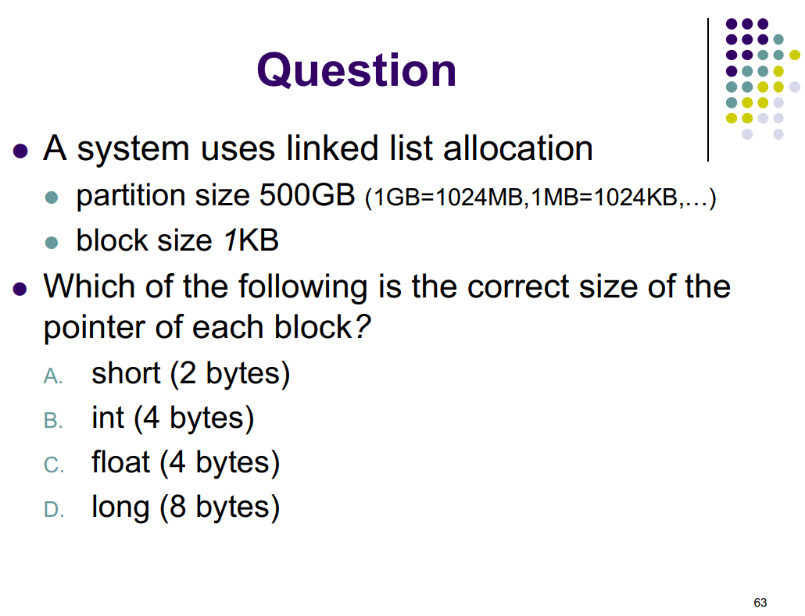
Linked Allocation - pointer size

 | Disk size = |  | 10 | GB | 10737418240 | B
 | Pointer size = |  | 1 | KB | 1024 | B
 | Total block = |  | 10485760

 |  | short | 65536 | -
 |  | int | 4294967296 | <---
 |  | long | 1.8446744074E+19 | -

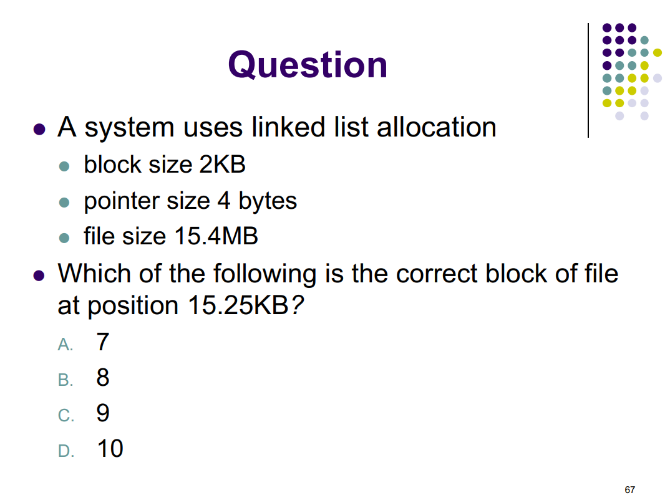
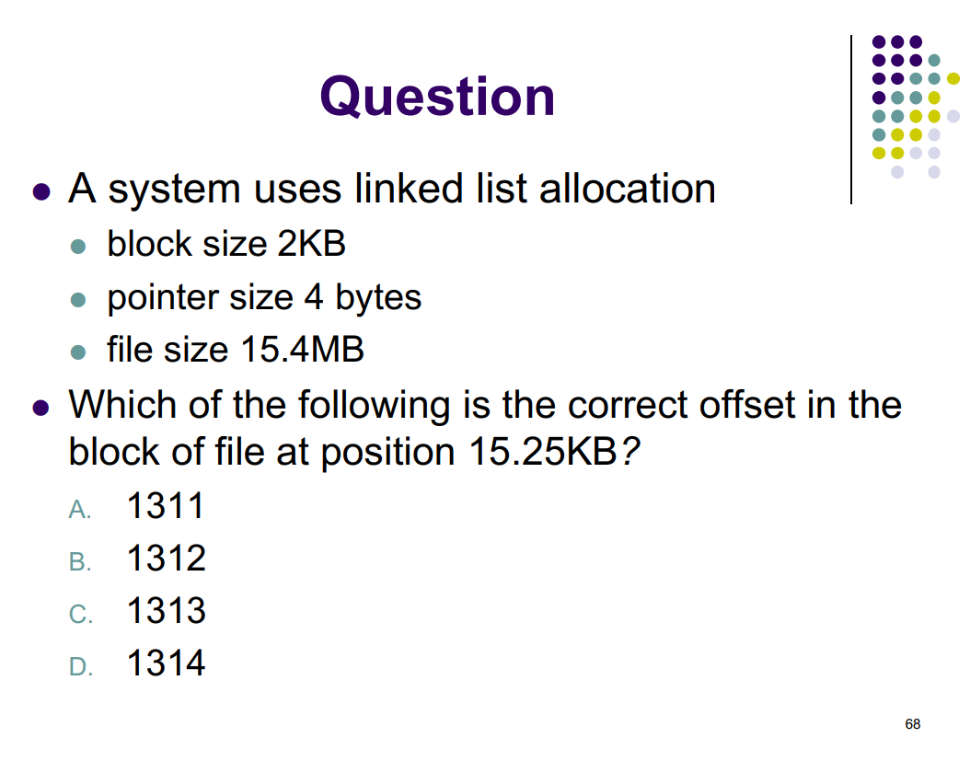
Linked Allocation - mapping

 | Block size = |  | 2 | KB | 2048 | B
 | Pointer size = |  | 4 | B | 4 | B
 | Data size = |  |  |  | 2044 | B
 | LA = |  | 15.25 | KB | 15616 | B

 | Block id = |  | 7
 | Block offset = |  | 1312

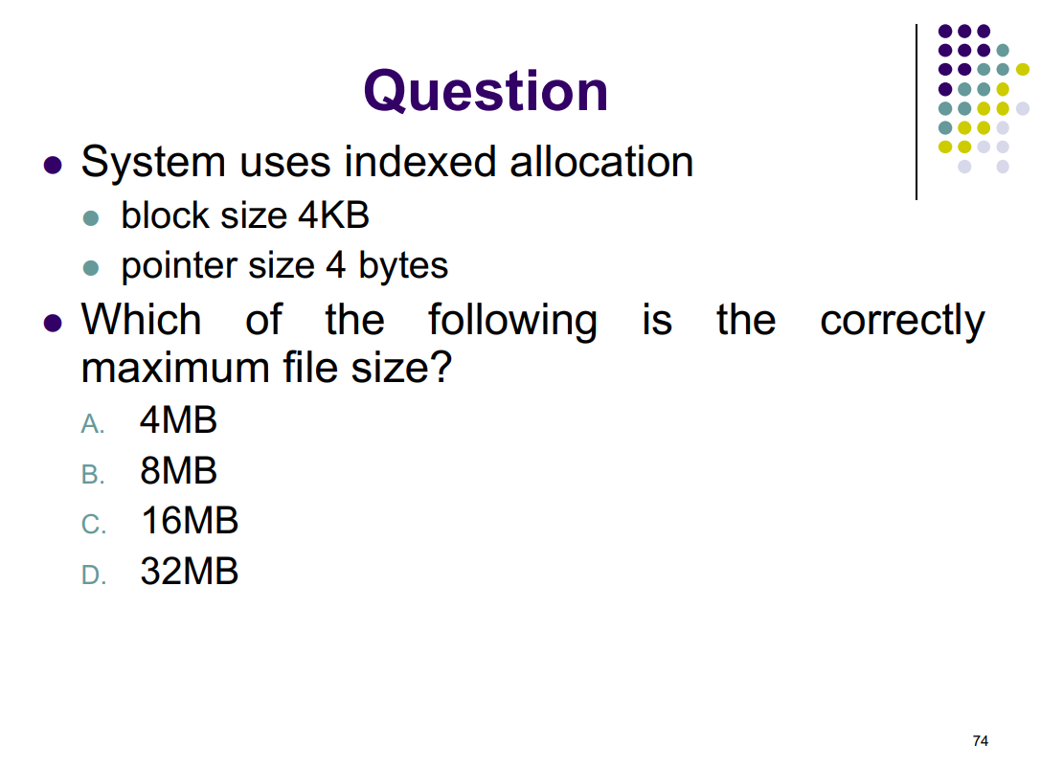
Indexed Allocation - File size

 | Block size = |  | 4 | KB | 4096 | B
 | Pointer size = |  | 4 | B | 4 | B
 | Total block = |  |  |  | 1024

 | File size = |  | 4194304 | B | 4 | MB

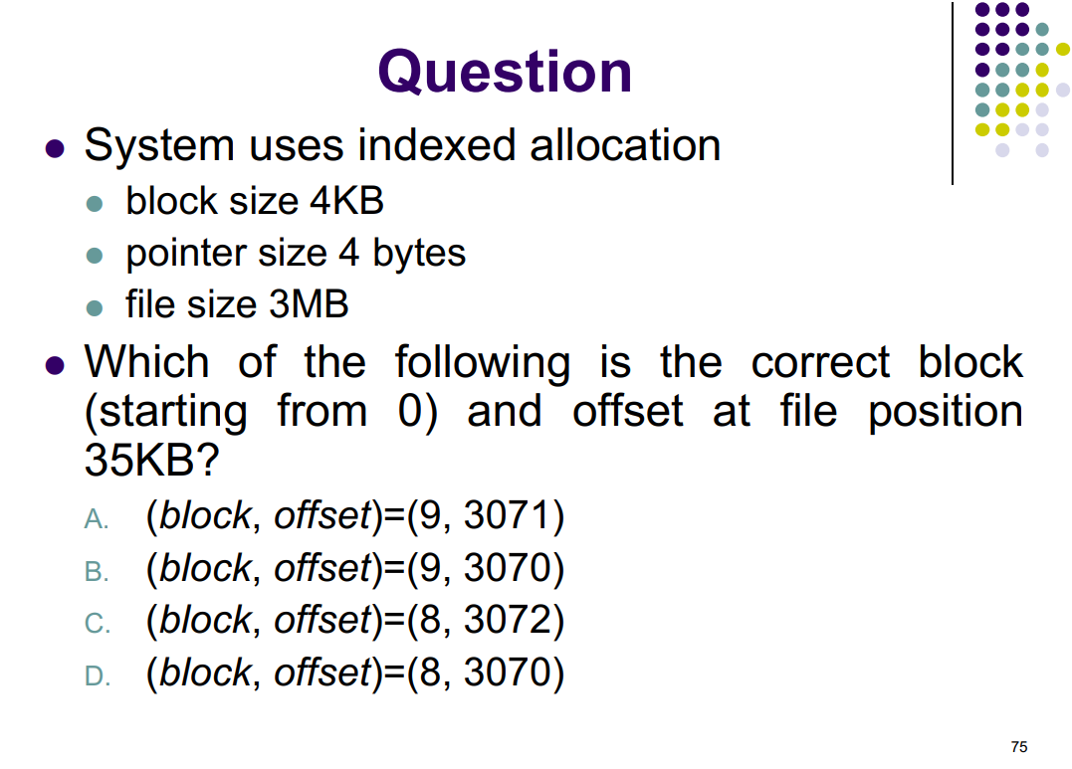
Indexed Allocation - Mapping

 | Block size = |  | 4 | KB | 4096 | B
 | Pointer size = |  | 4 | B | 4 | B
 | File size = |  | 3 | MB | 3145728 | B
 | LA = |  | 35 | KB | 35840 | B | VALID

 | Block id = |  | 8
 | Block offset = |  | 3072

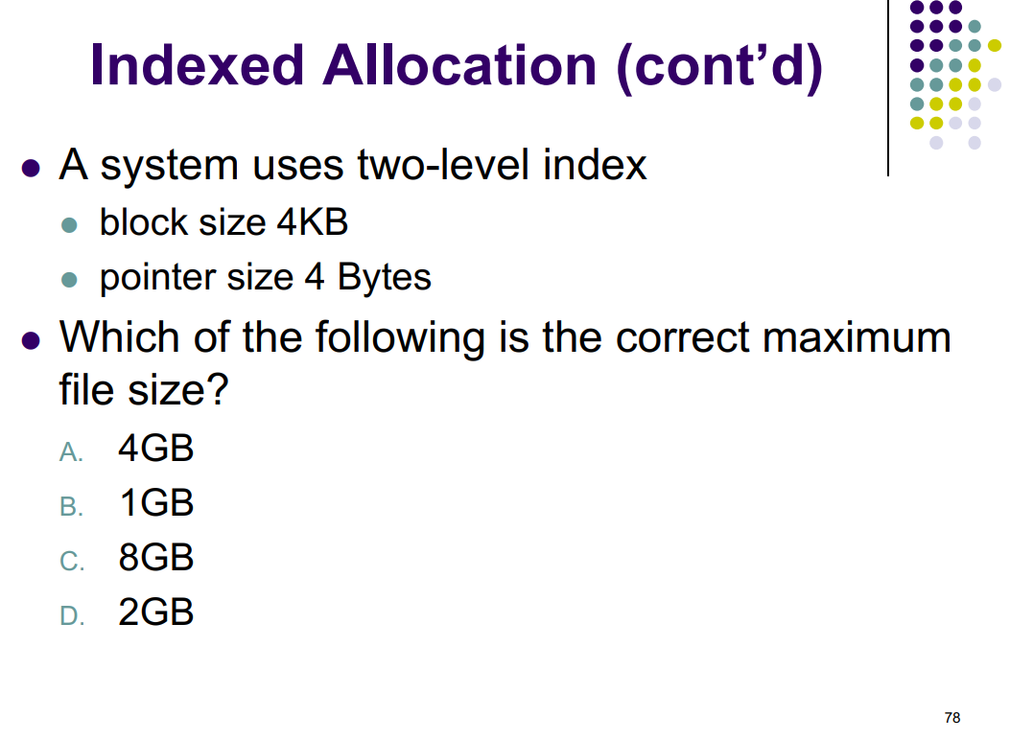
2 level Indexed Allocation - File size

 | Block size = |  | 4 | KB | 4096 | B
 | Pointer size = |  | 4 | B | 4 | B
 | Total pointers in level 1 = |  |  |  | 1024
 | Total pointers in level 2 = |  |  |  | 1048576

 | File size = |  | 4294967296 | B | 4 | GB

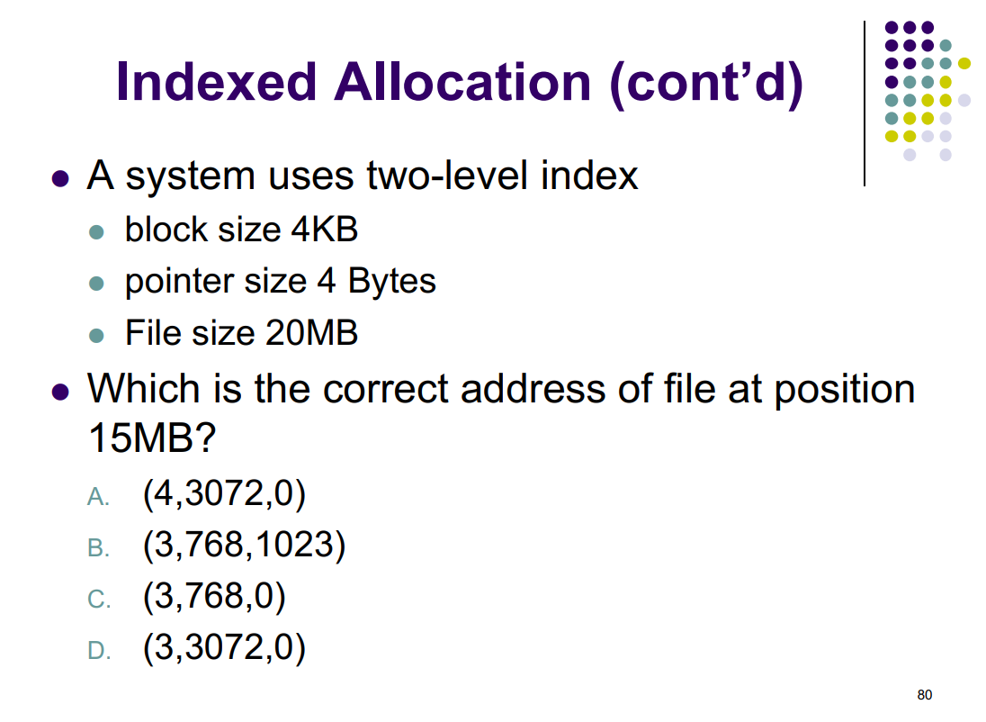
2 level Index Allocation - mapping

 | Block size = |  | 4 | KB | 4096 | B
 | Pointer size = |  | 4 | B | 4 | B
 | File size = |  | 20 | MB | 20971520 | B
 | LA = |  | 15 | MB | 15728640 | B | VALID

 | Total pointer/block = |  | 1024
 | Block (level 1) id = |  | 3840
 | Block (level 2) id = |  | 3
 | Pointer offset in L2 = |  | 768
 | offset = |  | 0

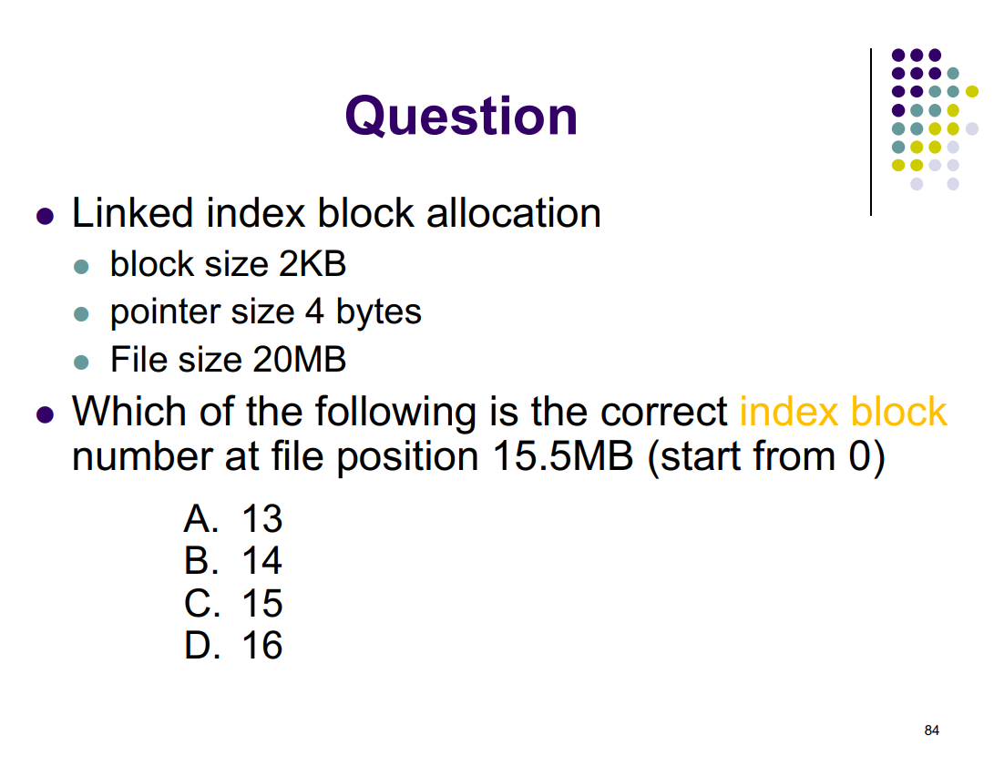
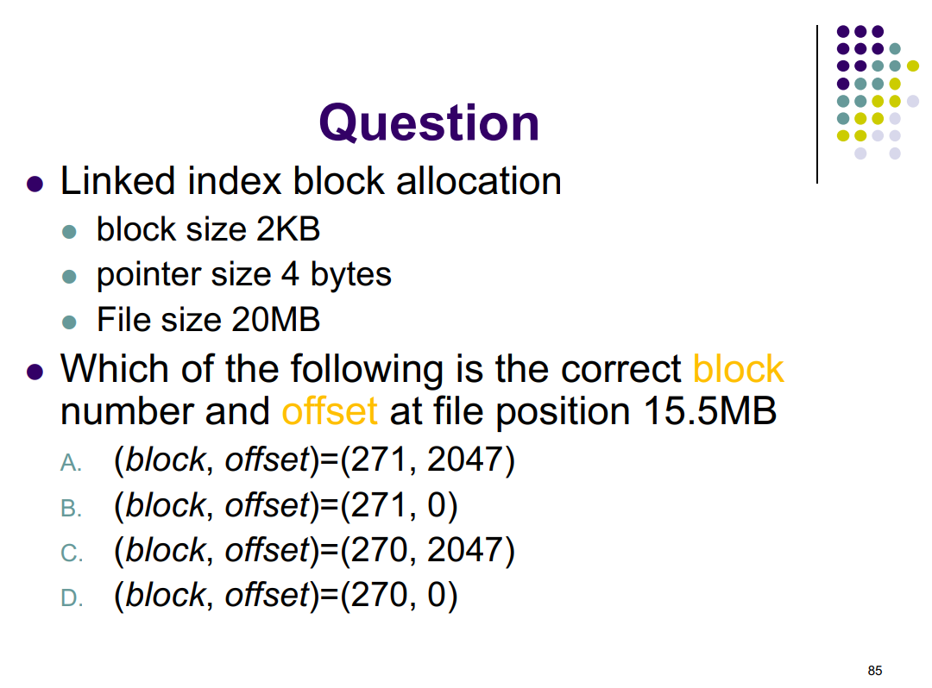
Linked Indexed Allocation - Mapping

 | Block size = |  | 2 | KB | 2048 | B
 | Pointer size = |  | 4 | B | 4 | B
 | File size = |  | 20 | MB | 20971520 | B
 | LA = |  | 15.5 | MB | 16252928 | B | VALID

 | Total pointers/block = |  | 511
 | Block id = |  | 7936
 | Index block id = |  | 15
 | Data block id = |  | 271
 | offset = |  | 0

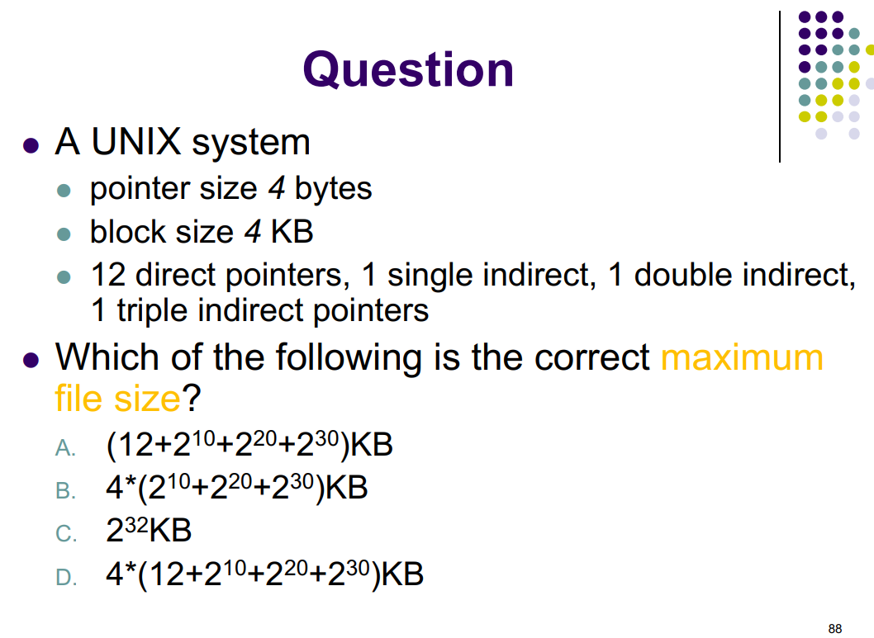
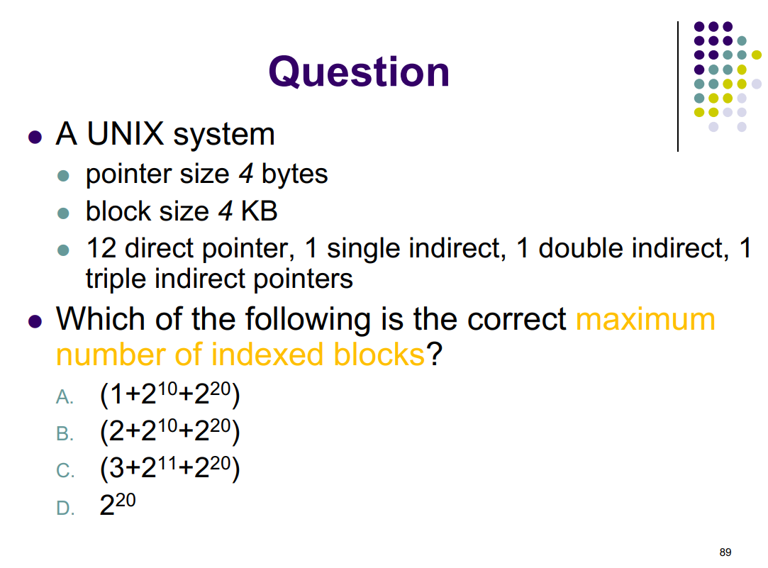
UNIX File System |  |  | Linux has 10 direct pointers

 | Block size = |  | 2 | KB | 2048 | B
 | Pointer size = |  | 4 | B | 4 | B
 | Total pointers/block = |  |  |  | 512
 |  |  | Num of node |  | Num of pointer
 | Direct pointer |  | 12 |  | 12
 | Single Indirect |  | 1 |  | 512 | 2 | ^ | 9
 | Double Indirect |  | 1 |  | 262144 | 2 | ^ | 18
 | Triple Indirect |  | 1 |  | 134217728 | 2 | ^ | 27

 | Maximum file size = |  | 275415851008 | B | 268960792 | KB
 | (=block size * sum of pointer) |  |  |  | = 2 * (2^9 + 2^18 + 2^27) KB

 | Maximum Indexed block = |  |  |  | 1* | (1)
 |  |  |  |  | + 1* | (1 + 2^9)
 |  |  |  |  | + 1* | (1 + 2^9 + 2^18)

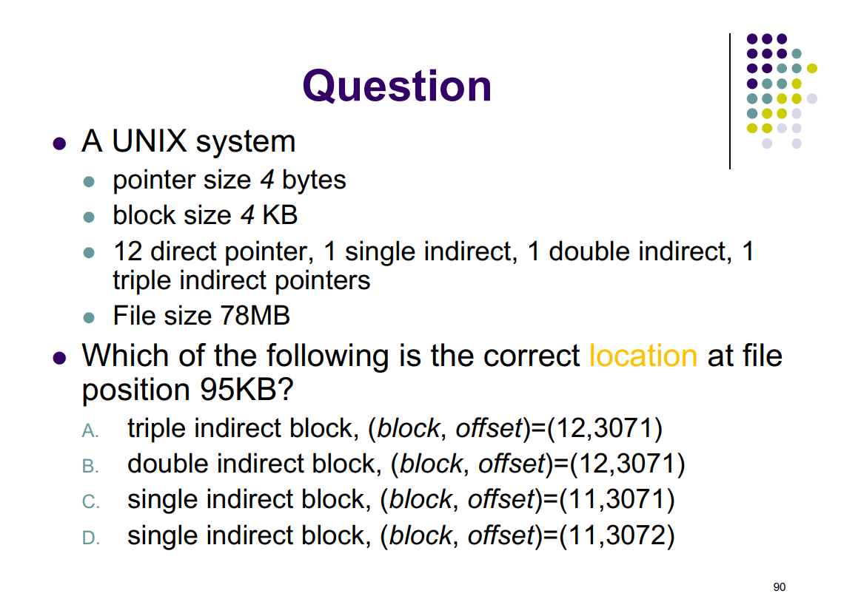
UNIX File system - Mapping
 | File size = |  | 15 | MB | 15728640 | B
 | Block size = |  | 2 | KB | 2048 | B
 | Pointer size = |  | 4 | B | 4 | B
 | LA = |  | 4 | GB | 4294967296 | B | FALSE
 | Total pointers/block = |  |  |  | 512
 |  |  | Num of node |  | Num of pointer |  | LA <=
 | Direct pointer |  | 12 |  | 12 |  | 24575
 | Indirect |  | 1 |  | 512 |  | 1073151
 | Double |  | 1 |  | 262144 |  | 537944063
 | Triple |  | 1 |  | 134217728 |  | 275415851007

Direct pointer |  | LA <= | 24575 | FALSE

 | Block id = | -
 | Offset = | -

Indirect pointer |  | LA <= | 1073151 | FALSE

 | Block id = |  |  | - | (bao gồm block của indirect pointer + số hiệu block trong indirect block)
 | Data block in indirect index block = |  |  | - | (số hiệu block trong indirect block)
 | Offset = |  |  | -

Double pointer |  | LA <= | 537944063 | FALSE

 | Block id = |  |  | -
 | Blocks in 2nd level = |  |  | -
 | 2nd level block id = |  |  | -
 | Data block = |  |  | -
 | Offset = |  |  | -

Triple pointer |  | LA <= | 275415851007 | FALSE

 | Block id = |  |  | -
 | Blocks in 3rd level = |  |  | -
 | Index 2 (2nd level block id) = |  |  | -
 | Index 3 (3rd level block id) = |  |  | -
 | Data block = |  |  | -
 | Offset = |  |  | -

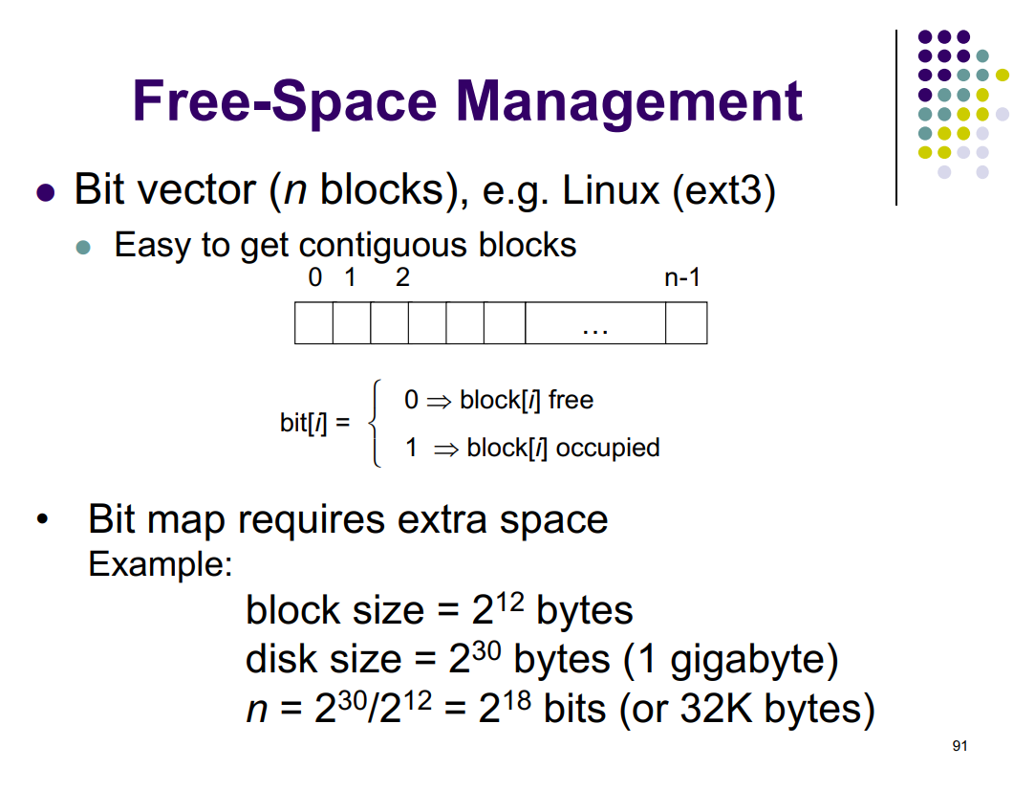
Free Space Management

 | Block size = |  | 4096 | B | 4096 | B
 | Disk size = |  | 1073741824 | B | 1073741824 | B

 | n = |  | 262144 | bits | 0.25 | MB

